Sheet1
DESIGN OF AN AQUEDUCT

 |  | ( * The data to be entered are highlighted in orange colour)

1. DATA FOR THE PROJECT PROBLEM

A) Canal:

 | S. No. | Description | Particulars | Units
 | 1 | Discharge of the canal | 0.40 | cumec
 | 2 | Bed width | 2.00 | m
 | 3 | Depth of water | 0.55 | m
 | 4 | Full supply level | 55.50 | m
 | 5 | Trapezoidal Canal Section with side slope | 1.5
 | 6 | Manning's Coefficient, n | 0.016

B) Drain:

 | S. No. | Description | Particulars | Units
 | 1 | High flood level | 54.46 | m
 | 2 | General ground level | 53.38 | m
 | 3 | High flood depth | 3.75 | m
 | 4 | High flood discharge | 95.00 | cumec

2. DESIGN OF DRAINAGE WATERWAY
 |  |  |  | Units | Formulas used
 |  | Lacey's regime perimeter, P | 46.78 | m | P=4.8√Q, where Q=High flood discharge of drain

 |  | Clear span between piers | 5.00 | m
 |  | Pier thickness | 1.00 | m
 |  | No. of bays used | 8
 |  | No. of piers used | 7

 |  | Clear waterway | 40.00 | m
 |  | Length occupied by piers | 7.00 | m
 |  | Total length of waterway | 47.00 | m

3. DESIGN OF CANAL WATERWAY
 |  |  |  | Units
 |  | Bed width of canal | 2 | m
 |  | Flumed width | 1 | m
 |  | Contraction splay | 2
 |  | Expansion splay | 3

 |  | Length of contraction transition | 1 | m
 |  | Length of expansion transition | 1.5 | m

 |  | Length of flumed rectangular portion | 47.00 | m

 |  | In the transition zone the side slope of the channel section will be warped from 1.5:1 to vertical.

4. HEAD LOSS AND BED LEVELS OF DIFFERENT SECTIONS
 |  |  |  | Units | Formulas used
 |  | Side slope of canal section, Z | 1.5

 |  | At section 4-4:

 |  | Bed width, B | 2 | m
 |  | Area of trapezoidal canal section, A | 1.55 | m2 | A=(B+Zy)y, where y is depth of water of canal
 |  | Velocity, V4 | 0.26 | m/s | V4 =Q/A
 |  | Velocity head | 0.003 | m | Velocity head = V42/2g
 |  | R.L. of bed at 4-4 | 54.95 | m
 |  | R.L. of water surface at 4-4 | 55.50 | m
 |  | R.L. of T.E.L. at 4-4 | 55.503 | m

 |  | At section 3-3:

 |  | Bed width, B | 1 | m
 |  | Area of channel, A | 0.55 | m2 | A=By
 |  | Velocity, V3 | 0.73 | m/s | V3=Q/A
 |  | Velocity head | 0.027 | m | Velocity head = V32/2g
 |  | Loss of head in expansion | 0.007 | m | Loss of head=0.3[(V32-V42)/2g]
 |  | R.L. of T.E.L. at 3-3 | 55.51 | m
 |  | R.L. of water surface at 3-3 | 55.483 | m
 |  | R.L. of bed at 3-3 | 54.933 | m

 |  | At section 2-2:

 |  | Bed width, B | 1 | m
 |  | Rugosity coefficient (n) of concrete trough | 0.016
 |  | Length of trough, L | 47.00 | m
 |  | Area of trough, A | 0.55 | m2 | A=By
 |  | Wetted perimeter, P | 2.1 | m | P=B+2y
 |  | Hydraulic mean depth, R | 0.26 | m | R=A/P
 |  | Velocity in trough, V2 | 0.73 | m/s | V2=Q/A
 |  | Velocity head | 0.027 | m | Velocity head = V22/2g
 |  | Friction loss, HL | 0.038 | m | HL=n2V2L/R4/3
 |  | R.L. of T.E.L. at 2-2 | 55.548 | m
 |  | R.L. of water surface at 2-2 | 55.521 | m
 |  | R.L. of bed at 2-2 | 54.971 | m

 |  | At section 1-1:

 |  | Bed width, B | 2 | m
 |  | Velocity head at 1-1 | 0.003 | m
 |  | Velocity head at 2-2 | 0.027 | m
 |  | Loss of head in contraction | 0.005 | m | Loss of head=0.2[(V22-V12)/2g]
 |  | R.L. of T.E.L. at 1-1 | 55.553 | m
 |  | R.L. of water surface at 1-1 | 55.550 | m
 |  | R.L. of bed at 1-1 | 55.000 | m

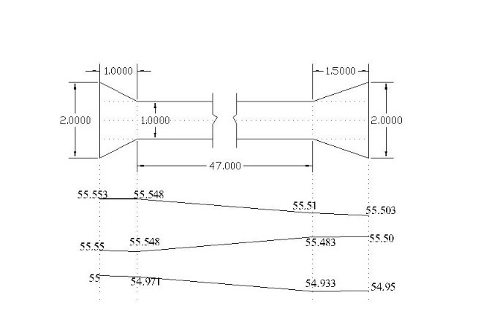

 |  | Fig 1: Plan and section of Canal Trough

5. DESIGN OF TRANSITION

A) Contraction transition: The transition can be designed on the basis of Mitra's Hyperbolic transition equation as-

 |  | Bx=(Bn*Bf*Lf)/[(Lf*Bn)-x*(Bn-Bf)]
 |  | where,
 |  | x= Channel width at any section X-X at a distance x from the flumed section
 |  | Bn= Bed width of normal channel section
 |  | Bf= Bed width of flumed channel section
 |  | Bx= Bed width at any distance x from the flumed section
 |  | Lf= Length of transition

 |  | Here, |  | Units
 |  | Bn | 2 | m
 |  | Bf | 1 | m
 |  | Lf | 1 | m

 |  | Table-4.1: Width of canal in different sections in contraction transition

 |  | x (in metres) | 0 | 0.25 | 0.5 | 0.75 | 1
 |  | Bx (in metres) | 1 | 1.14 | 1.33 | 1.60 | 2

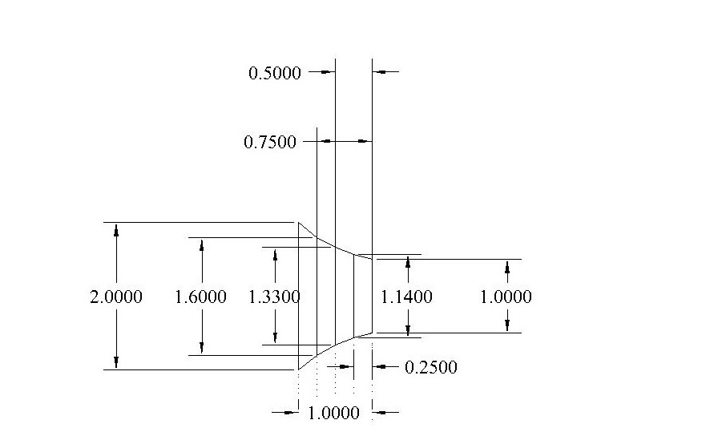

 |  | Fig. 2: Contraction transition

B) Expansion transition: The transition can be designed on the basis of Mitra's Hyperbolic transition equation as-

 |  | Bx=(Bn*Bf*Lf)/[(Lf*Bn)-x*(Bn-Bf)]
 |  | where,
 |  | x= Channel width at any section X-X at a distance x from the flumed section
 |  | Bn= Bed width of normal channel section
 |  | Bf= Bed width of flumed channel section
 |  | Bx= Bed width at any distance x from the flumed section
 |  | Lf= Length of transition

 |  | Here, |  | Units
 |  | Bn | 2 | m
 |  | Bf | 1 | m
 |  | Lf | 1.5 | m

 |  | Table-4.2: Width of canal in different sections in expansion transition

 |  | x (in metres) | 0 | 0.5 | 1 | 1.5
 |  | Bx (in metres) | 1 | 1.2 | 1.5 | 2

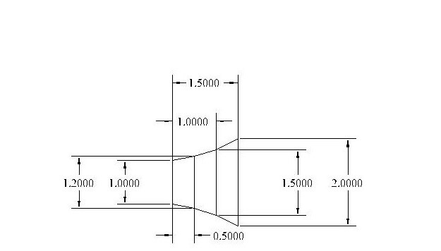

 |  | Fig. 3: Expansion transition

6. DESIGN OF TROUGH

 |  | The trough shall be divided into two equal compartments 0.425 m(each)

 |  |  |  | Units
 |  | Intermediate wall thickness of trough | 0.15 | m
 |  | Normal water depth | 0.55 | m
 |  | Freeboard | 0.45 | m
 |  | Height of the trough | 1.00 | m

 |  | The entire trough section will be constructed in monolithic reinforced concrete and can be designed by usual structural method.

DESIGN OF SYPHON AQUEDUCT

 |  | ( * The data to be entered are highlighted in orange colour)

7. DATA FOR THE PROJECT PROBLEM

A) CANAL:

 | S. No. | Description | Particulars | Units
 | 1 | Discharge of the canal | 0.40 | cumec
 | 2 | Bed width | 2.00 | m
 | 3 | Depth of water | 0.55 | m
 | 4 | Bed level | 54.11 | m
 | 5 | Trapezoidal Canal Section with side slope | 1.5
 | 6 | Manning's Coefficient, n | 0.016

B) DRAIN:

 | S. No. | Description | Particulars | Units
 | 1 | High flood level | 54.46 | m
 | 2 | Bed level | 50.75 | m
 | 3 | High flood discharge | 95.00 | cumec
 | 4 | General ground level | 53.38 | m

8. DESIGN OF DRAINAGE WATERWAY
 |  |  |  | Units | Formulas used
 |  | Lacey's regime perimeter, P | 46.78 | m | P=4.8√Q, where Q=High flood discharge of drain

 |  | Clear span between piers | 5.00 | m
 |  | Pier thickness | 0.90 | m
 |  | No. of bays used | 8 | m
 |  | No. of piers used | 7 | m

 |  | Clear waterway | 40.00 | m
 |  | Length occupied by piers | 6.30 | m
 |  | Total length of waterway | 46.30 | m

 |  | Velocity in the Barrels | 1.2 | m/s
 |  | Width of rectangular barrels used | 5.00 | m
 |  | Height of Rectangular Barrels | 1.98 | m

9. DESIGN OF CANAL WATERWAY
 |  |  |  | Units
 |  | Bed width of canal | 2 | m
 |  | Flumed width | 1 | m
 |  | Contraction splay | 2 | m
 |  | Expansion splay | 3 | m

 |  | Length of contraction transition | 1 | m
 |  | Length of expansion transition | 1.5 | m

 |  | Length of flumed rectangular portion | 46.30 | m

 |  | In the transition zone the side slope of the channel section will be warped from 1.5:1 to vertical.

10. HEAD LOSS AND BED LEVELS AT DIFFERENT SECTIONS
 |  |  |  | Units | Formulas used
 |  | Side slope of canal section, Z | 1.5

 |  | At section 4-4:

 |  | Bed width, B | 2 | m
 |  | Area of trapezoidal canal section, A | 1.55 | m2 | A=(B+Zy)y, where y is depth of water of canal
 |  | Velocity, V4 | 0.26 | m/s | V4 =Q/A
 |  | Velocity head | 0.003 | m | Velocity head = V42/2g
 |  | R.L. of bed at 4-4 | 54.11 | m
 |  | R.L. of water surface at 4-4 | 54.66 | m
 |  | R.L. of T.E.L. at 4-4 | 54.663 | m

 |  | At section 3-3:

 |  | Bed width, B | 1 | m
 |  | Area of channel, A | 0.55 | m2 | A=By
 |  | Velocity, V3 | 0.73 | m/s | V3=Q/A
 |  | Velocity head | 0.027 | m | Velocity head = V32/2g
 |  | Loss of head in expansion | 0.007 | m | Loss of head=0.3[(V32-V42)/2g]
 |  | R.L. of T.E.L. at 3-3 | 54.67 | m
 |  | R.L. of water surface at 3-3 | 54.643 | m
 |  | R.L. of bed at 3-3 | 54.093 | m

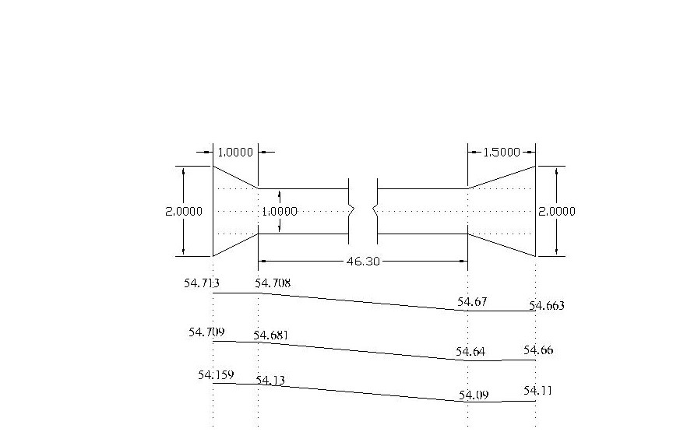

 |  | Fig. 4: Plan and section of canal trough

 |  | At Section 2-2:

 |  | Bed width, B | 1 | m
 |  | Rugosity coefficient (n) of concrete trough | 0.016
 |  | Length of trough, L | 46.30 | m
 |  | Area of trough, A | 0.55 | m2 | A=By
 |  | Wetted perimeter, P | 2.1 | m | P=B+2y
 |  | Hydraulic mean depth, R | 0.26 | m | R=A/P
 |  | Velocity in trough, V2 | 0.73 | m/s | V2=Q/A
 |  | Velocity head | 0.027 | m | Velocity head = V22/2g
 |  | Friction loss, HL | 0.037 | m | HL=n2V2L/R4/3
 |  | R.L. of T.E.L at 2-2 | 54.708 | m
 |  | R.L. of water surface at 2-2 | 54.681 | m
 |  | R.L of bed (for constant depth of water) | 54.13 | m

 |  | At section 1-1:

 |  | Bed width, B | 2
 |  | Velocity head at 1-1 | 0.003 | m
 |  | Velocity head at 2-2 | 0.027 | m
 |  | Loss of head in contraction | 0.0047 | m | Loss of head=0.2[(V22-V12)/2g]
 |  | R.L. of T.E.L at 1-1 | 54.713 | m
 |  | R.L. of water surface at 1-1 | 54.709 | m
 |  | R.L. of bed (For constant water depth) | 54.159 | m

11. DETERMINATION OF TRANSITION LENGTH

A) Expansion transition: The transition can be designed on the basis of R.S. Chaturvedi formula as-

 |  | X=(L*Bc3/2)/(Bc3/2-Bf3/2)*[1-(Bf/Bx)3/2]
 |  | where,
 |  | X= Channel width at any section X-X at a distance X from the flumed section
 |  | Bc= Bed width of normal channel section
 |  | Bf= Bed width of flumed channel section
 |  | Bx= Bed width at any distance X from the flumed section
 |  | L= Length of transition

 |  | Here, |  | Units
 |  | Bc | 2 | m
 |  | Bf | 1 | m
 |  | L | 1.5 | m

 |  | Table-5.1: Width of canal in different sections in expansion transition

 |  | Bx (in metres) | 1 | 1.2 | 1.4 | 1.6 | 1.8 | 2
 |  | X (in metres) | 0 | 0.56 | 0.92 | 1.17 | 1.36 | 1.5

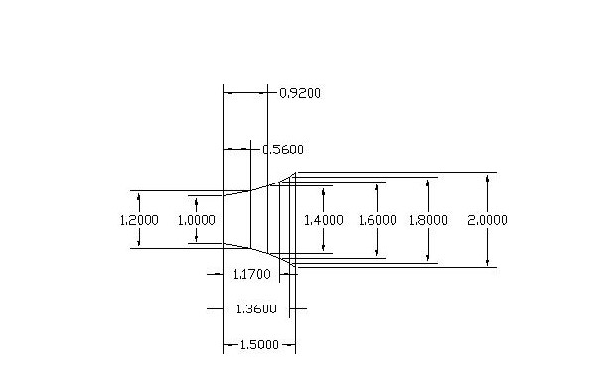

 |  | Fig 5: Expansion Transition

B) Contraction transition: The transition can be designed on the basis of R.S. Chaturvedi formula as-

 |  | X=(L*Bc3/2)/(Bc3/2-Bf3/2)*[1-(Bf/Bx)3/2]
 |  | where,
 |  | X= Channel width at any section X-X at a distance X from the flumed section
 |  | Bc= Bed width of normal channel section
 |  | Bf= Bed width of flumed channel section
 |  | Bx= Bed width at any distance X from the flumed section
 |  | L= Length of transition

 |  | Here, |  | Units
 |  | Bc | 2 | m
 |  | Bf | 1 | m
 |  | L | 1 | m

 |  | Table-5.2: Width of canal in different sections in contraction transition

 |  | Bx (in metres) | 1 | 1.2 | 1.4 | 1.6 | 1.8 | 2
 |  | X (in metres) | 0 | 0.37 | 0.61 | 0.78 | 0.91 | 1

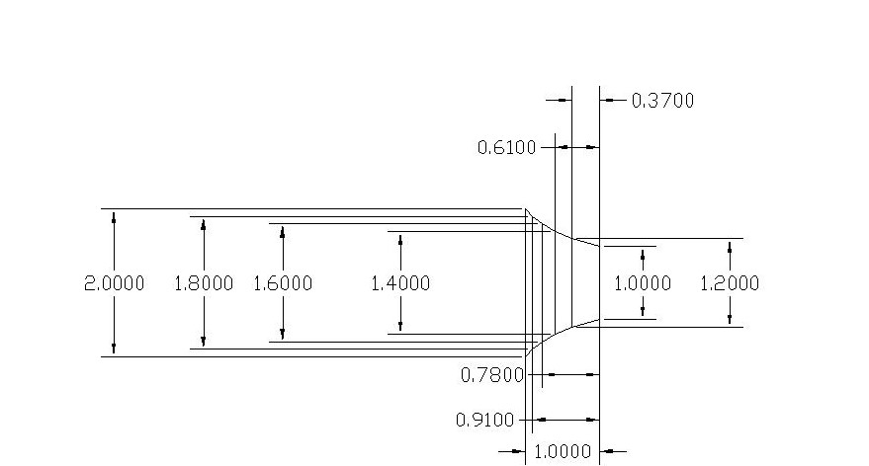

 |  | Fig 6: Contraction Transition

12. DESIGN OF TROUGH

 |  | The trough shall be divided into two equal compartments 0.425 m(each).

 |  |  |  | Units
 |  | Intermediate wall Thickness of trough | 0.15 | m
 |  | Normal water depth | 0.55 | m
 |  | Freeboard | 0.45 | m
 |  | Height of the trough | 1.00 | m

 |  | The entire trough section will be constructed in monolithic reinforced concrete and can be designed by usual structural method.

13. LOSS OF HEAD THROUGH SYPHON BARRELS

 |  |  |  | Units | Formulas Used
 |  | Co-efficient for loss of head at entry (for unshaped mouth), f1 | 0.505
 |  | Length of the barrels, l | 9.6 | m
 |  | Thickness of barrels | 0.15 | m
 |  | Total length of Barrels, L | 10 | m
 |  | Velocity in barrel, V | 1.2 | m/s
 |  | Area of the Barrels, A | 9.90 | m2
 |  | Perimeter of the Barrels, P | 13.96 | m
 |  | Hydraulic mean depth, R | 0.7 | m | R=A/P
 |  | Co-efficient which accounts for friction in the barrel, f2 | 0.003 |  | f2=a(1+b/R), where a=0.00316, b=0.03 for smooth cement plaster
 |  | Head loss , h | 0.11 | m | Head loss, h=[1+f1+f2(L/R)]V2/2g
 |  | Downstream H.F.L | 54.46 | m
 |  | Upstream H.F.L | 54.57 | m

14. UPLIFT PRESSURE ON ROOF OF SYPHON BARREL

 |  |  |  | Units | Formulas Used
 |  | Loss of head at entry | 0.037 | m | Loss of head at entry =f1(V2/2g)
 |  | Level of the effective head at entry | 54.54 | m
 |  | Slab thickness | 0.30 | m
 |  | R.L. of the bottom slab | 53.81 | m
 |  | Uplift on roof | 0.73 | m
 |  | Uplift pressure | 7.13 | KN/m2

 |  | In empty trough condition, only the self-weight of the slab will counter balance the uplift.

 |  | Self weight of concrete | 24 | KN/m3
 |  | Self weight of the Slab | 7.2 | KN/m2

 |  | If the self weight is less than the uplift, it has to be resisted by the bending strength of the roof slab for which necessary reinforcement shall be provided on the top side of the slab.

15. UPLIFT ON FLOOR OF THE SYPHON BARREL

 |  |  |  | Units
 |  | Static uplift on R.L of the barrel floor | 51.83 | m
 |  | Assumed floor thickness of barrel | 1.25 | m
 |  | RL of bottom of floor | 50.58 | m
 |  | Bed level of the drain | 50.75 | m

 |  | Assuming the subsoil water level up to the bed level of drain,
 |  | Static uplift on the floor | 0.17 | m

 |  | Seepage head will be maximum where the canal is running full and the drain is dry.
 |  | FSL of canal | 54.66 | m
 |  | Total seepage head | 3.91 | m

 |  | Residual seepage head at point ‘a’ in the center of the first barrel has been calculated by Bligh’s theory. The seepage line would follow the path indicated by the line xay.

 |  | Upstream transition length of canal with pucca floor | 1 | m
 |  | Half the barrel span | 2.5 | m
 |  | End of the drainage floor from the center of the barrel | 1 | m

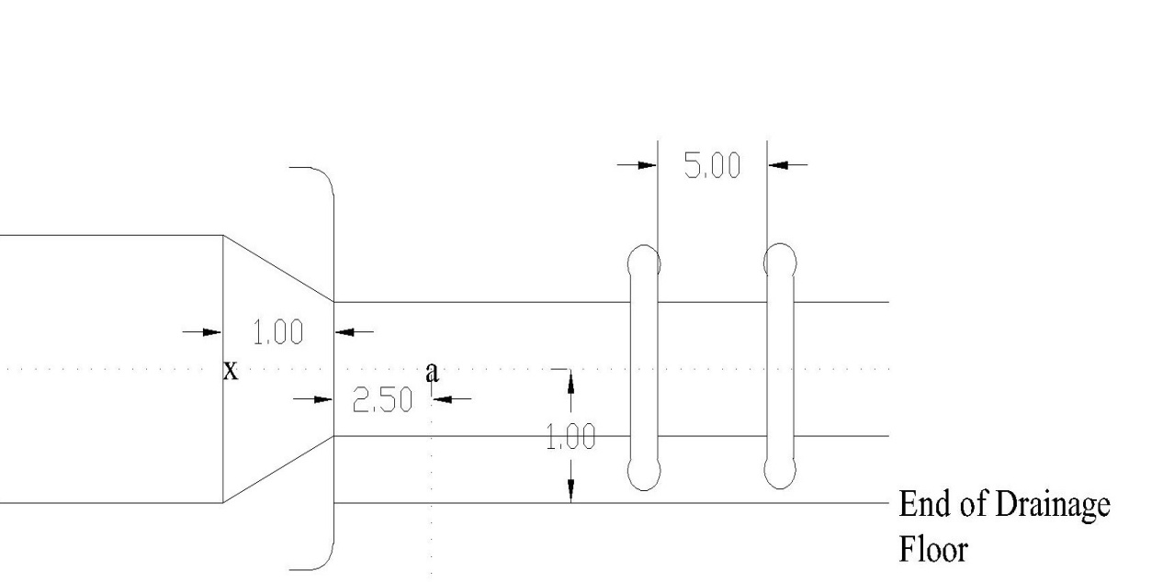

 |  | Fig 7: Barrel plain

 |  | Total creep length | 4.5 | m
 |  | Creep length up to the centre of first barrel | 3.5 | m
 |  | Residual seepage head at the point (a) | 0.87 | m
 |  | Total uplift | 1.04 | m
 |  | Specific gravity | 2.25
 |  | Thickness of the floor | 0.5 | m
 |  | Bottom R.L of the barrel floor | 51.37 | m

 |  | Since, bed level of drainage floor < Bottom R.L. of barrel floor, there will be no static uplift

 |  | Total uplift | 0.87 | m
 |  | Uplift counter balanced by self-weight of the slab | 1.04 | m

 |  | Since, self-weight of the slab is greater than total uplift, therefore, residual uplift will not affect the design.

16. DESIGN OF TROUGH SLAB

 |  |  |  | Units | Formulas Used
 |  | Weight of water | 5.5 | KN/m2
 |  | Self weight of slab | 7.5 | KN/m2
 |  | Load acting downward due to weight of water and self weight of slab | 13 | KN/m2
 |  | Clear span of the trough | 1 | m
 |  | Thickness of slab | 0.15 | m
 |  | Thickness of the two side walls | 0.15 | m
 |  | Effective span of trough slab | 1.15 | m
 |  | Width of strip of slab considered | 1 | m
 |  | Maximum sagging moment in the slab | 171925 | Ncm
 |  | Maximum hogging moment in the slab | 6101.46 | Ncm
 |  | Maximum shear force | 7475 | N
 |  | Concrete grade used | M15
 |  | Bending compressive stress, σcbc | 5 | N/mm2
 |  | Permissible tensile stress, σst | 140 | N/mm2
 |  | Modular ratio, m | 18.67 |  | m=280/3σcbc
 |  | K | 0.4 |  | K=mσcbc/(mσcbc+σst)
 |  | j | 0.87 |  | j=1-(K/3)
 |  | Q | 87 |  | Q=(1/2) Kσcbc j
 |  | Effective depth, d | 54.5 | mm | d=√(Mu/Qb)
 |  | Overall thickness provided | 15 | cm
 |  | Diameter of bar at bottom part provided | 12 | mm
 |  | Clear cover provided | 25 | mm
 |  | Effective depth, d | 119 | mm

 |  | Here, 119 mm > 54.5 mm. (OK)

 |  | Characteristic strength of reinforcement, fy | 415 | N/mm2
 |  | Characteristic compressive strength of concrete, fck | 15 | N/mm2
 |  | Area of reinforcement required at bottom part, Ast | 60.88 | mm2 | Mu=0.87fy Ast d[1-(Ast fy/bdfck)]

 |  | Minimum reinforcement provided should be 0.3% of gross area.
 |  | Reinforcement provided | 450 | mm2
 |  | Spacing between 12 mm ɸ bars | 251.2 | mm

 |  | Hence, we provide 12 mm ɸ bars @ 200 mm c/c distance at the bottom part of the slab.

 |  | Diameter of bar at top part provided | 10 | mm
 |  | Effective depth, d | 120 | mm
 |  | Area of reinforcement required at top part, Ast | 2.11 | mm2 | Mu=0.87fy Ast d[1-(Ast fy/bdfck)]

 |  | As per minimum requirement, let us provide 0.15% of gross area.
 |  | Reinforcement area required | 225 | mm2
 |  | Spacing between 10 mm ɸ bars | 348.89 | mm

 |  | Hence, we provide 10 mm ɸ bars @ 300 mm c/c distance at the top part of the slab.

 |  | Minimum distribution reinforcement is 0.15% of gross area.
 |  | Minimum distribution reinforcement | 225 | mm2
 |  | Diameter of bars provided as distributary reinforcement | 8 | mm
 |  | Spacing between 8 mm ɸ bars | 223.29 | mm

 |  | Hence, we provide 8 mm ɸ bars @ 200 mm c/c distance as distributary reinforcement both at top as well as at bottom.

 |  | For the side walls, fillet bars are provided as 10 mm ɸ bar @ 200 mm c/c distance.

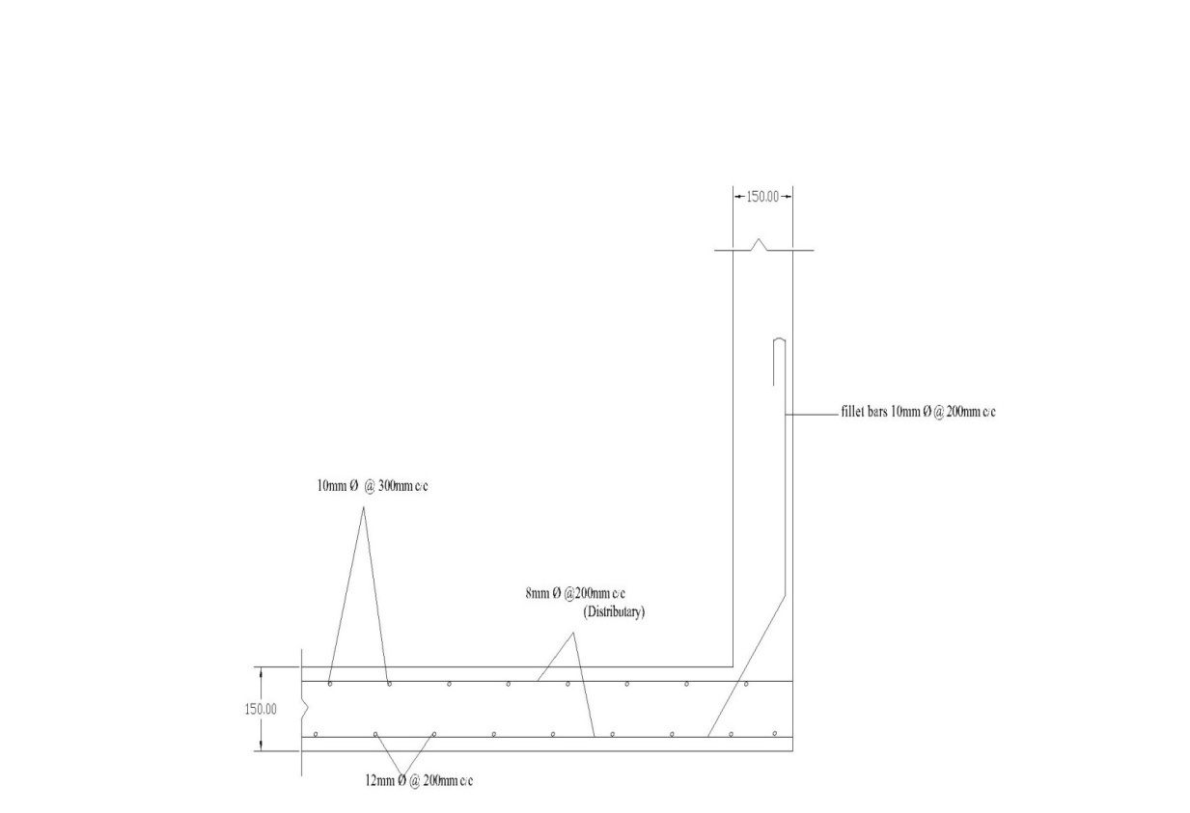

 |  | Fig 8: Design of trough slab with fillet bar anchoring side wall

17. DESIGN OF DRAINAGE FLOOR

 |  | R.C.C. raft of required thickness is to be provided in a width 4.5 as per Bligh’s theory

 |  |  |  | Units | Formulas Used
 |  | Design seepage head | 3.91 | m
 |  | Residual seepage head at the end of RCC floor | 0.87 | m

 |  | Assuming the thickness of gravity floor as 0.4m,
 |  | Total uplift on the gravity floor | 0.87 | m
 |  | Thickness of floor required | 0.386 | m

 |  | Here, 0.386 m < 0.4 m. (OK)

 |  | Hence, we provide 0.4 m thick gravity floor on the remainage length on both the upstream as well as downstream of the RCC floor.

 |  | Clear span between the piers | 5.00 | m
 |  | Centre to centre distance of the piers | 5.90 | m
 |  | Thickness of RCC floor assumed | 0.5 | m
 |  | Effective span of the floor | 5.50 | m

 |  | Considering 1 m length for load transfer through pier,
 |  | Weight of slab | 4.3 | KN
 |  | Weight of two side beam wall | 3.75 | KN
 |  | Weight of contained water | 5.4 | KN
 |  | Dead load of pier | 25.87 | KN
 |  | Total load per meter run through pier | 39.33 | KN/m

 |  | Theoretically, the maximum moments at the ends and at the middle are equal to (wl2/12) and (wl2/24) respectively.
 |  | But, for the design purpose these moments have been taken as (wl2/10) at the ends and (wl2/20) at the middle.

 |  | Maximum hogging moments at ends | 118.98 | KNm
 |  | Maximum sagging moments at middle | 59.49 | KNm
 |  | Concrete grade used | M15
 |  | Q | 87
 |  | Effective depth required, d | 453.80 | mm | d=√(Mu/Qb)
 |  | Diameter of bars provided | 12 | mm
 |  | Clear cover | 25 | mm
 |  | Effective depth, d | 469 | mm

 |  | Here, 469 mm > 453.80 mm. (OK)

 |  | Area of reinforcement for hogging moment, Ast | 1129.20 | mm2 | Mu=0.87fy Ast d[1-(Ast fy/bdfck)]
 |  | Spacing between 12 mm ɸ bars | 100.11 | mm

 |  | Hence, we provide 12 mm ɸ bars @ 80 mm c/c distance at the bottom of the floor.

 |  | Area of reinforcement for sagging moment, Ast | 544.48 | mm2 | Mu=0.87fy Ast d[1-(Ast fy/bdfck)]
 |  | Diameter of bars provided | 10 | mm
 |  | Spacing between 10 mm ɸ bars | 144.17 | mm

 |  | Hence, we provide 10 mm ɸ bars @ 100 mm c/c distance at the top portion of the floor.

 |  | Distribution reinforcement is 0.15% of gross area.
 |  | Distribution reinforcement | 750 | mm2
 |  | Diameter of bars provided as distributary reinforcement | 8 | mm
 |  | Spacing between 8 mm ɸ bars | 66.99 | mm

 |  | Hence, we provide 8 mm ɸ bars @ 50 mm c/c distance as distributary reinforcement.

 |  | So, we should provide
 |  | 8 mmɸ @ 50 mm c/c as Distributary reinforcement.
 |  | 10 mmɸ @100 mm c/c as Top reinforcement.
 |  | 12 mmɸ @80 mm c/c as Bottom reinforcement.
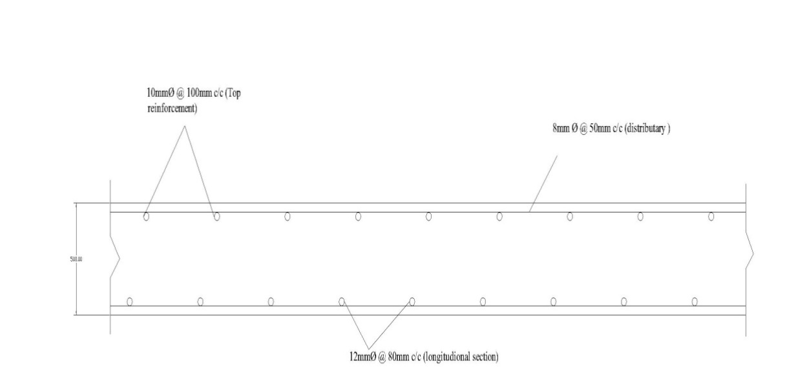

 |  | Fig 9: Design of the Drainage floor slab (Longitudinal section)

